Application Screen
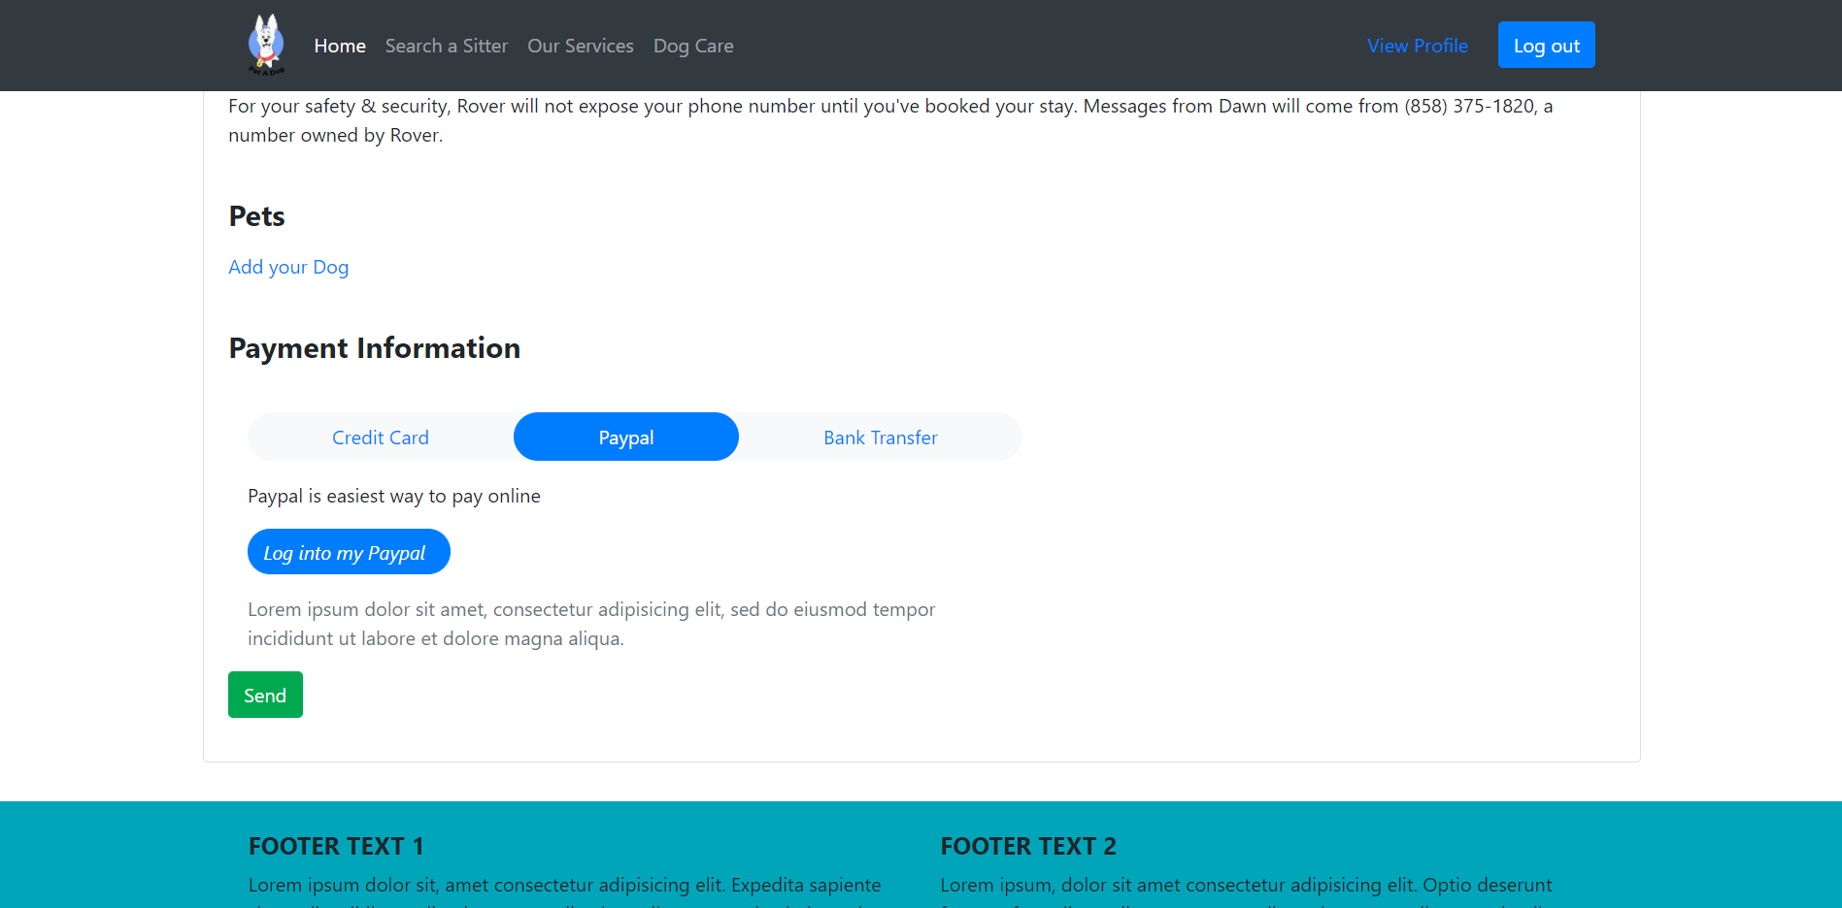
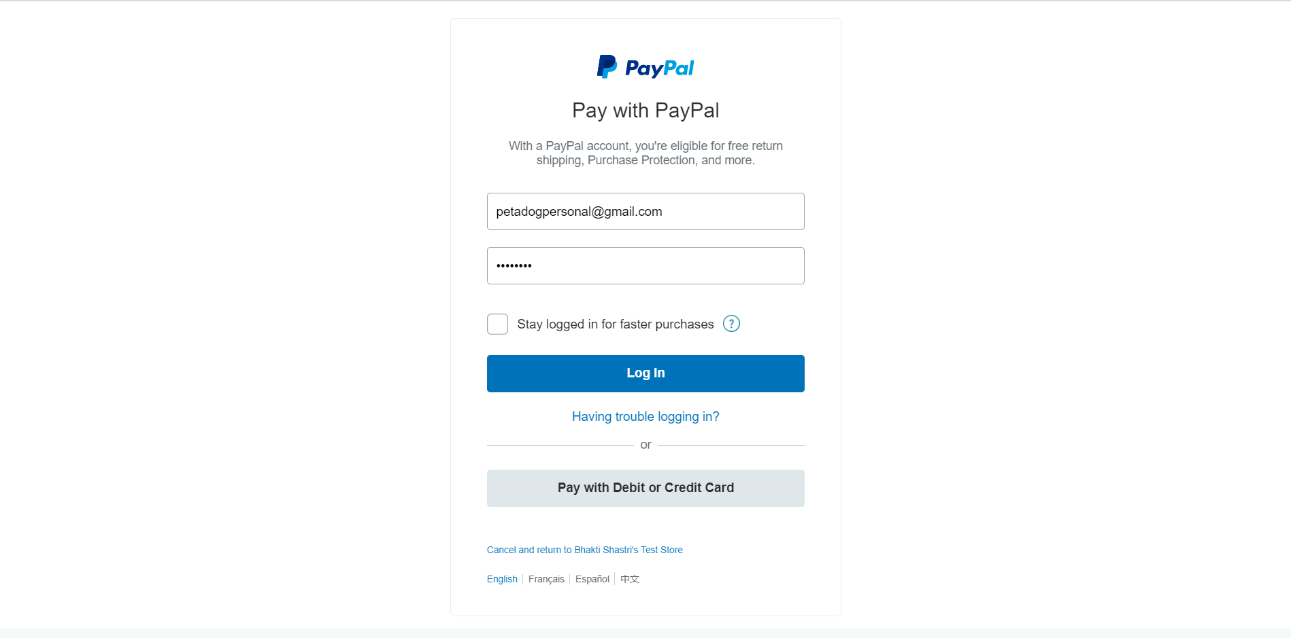

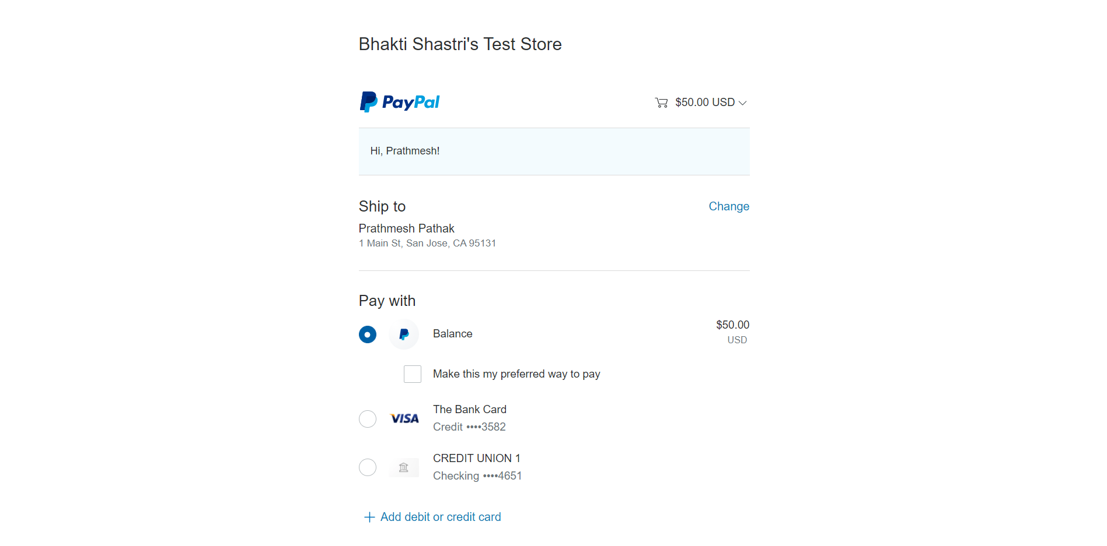
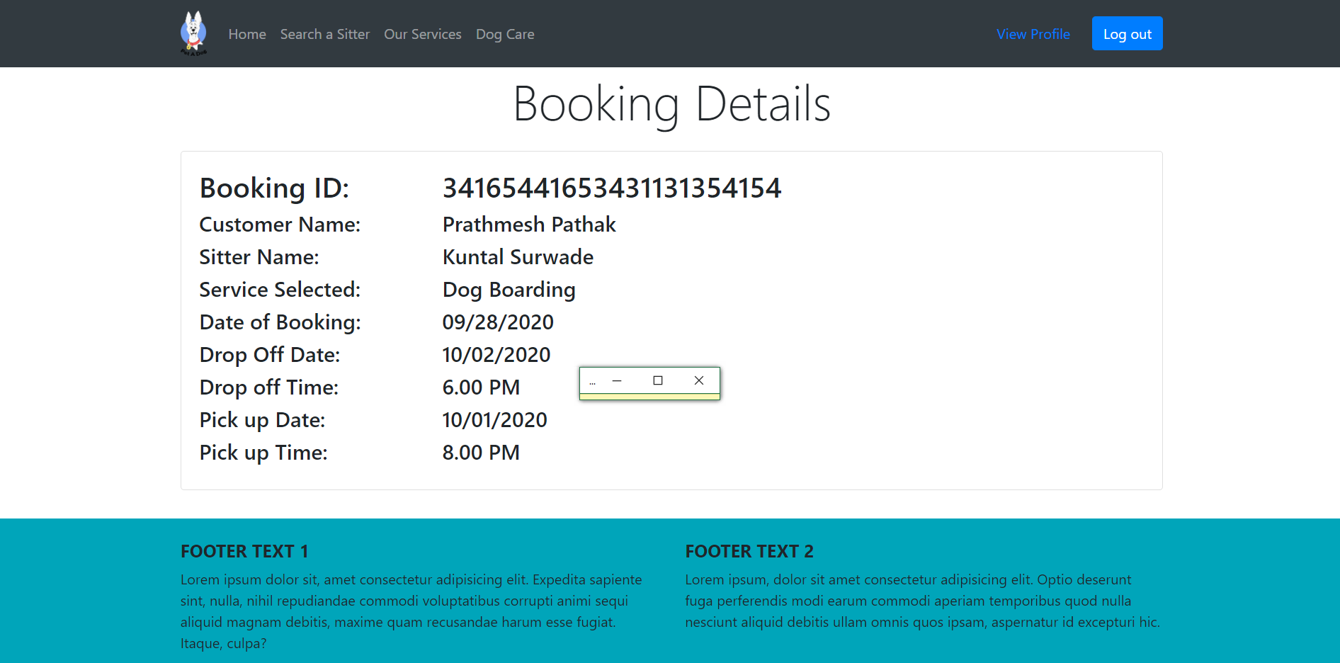

Test Case 6
TC Title: | TC6. PayPal - Core Functionality Testing + Data Flow Out
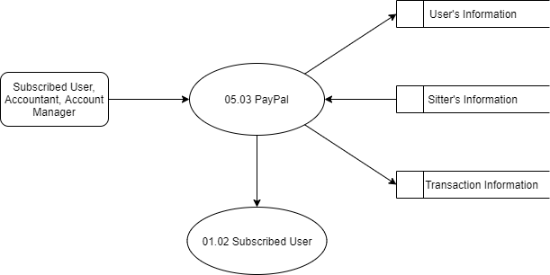
TC Objective: | To check when User clicks on "Log into my PayPal", he/she is directed to PayPal Log in portal and after Logging in the Price of the service selected should be present

TC Description
 | Step | Step Description | Expected Results
 | 1 | Navigate to Search a sitter, Click on one of the sitter you like, check the service you want and check it's corresponding cost and click on Contact the sitter | Subscribed user must be able to Contact the sitter and navigated to selecting service section.
 | 2 | Select a service you want and fill in other details | User must be able to Select the service and and fill in the
 | 3 | Click on PayPal Tab in Payment Information | User must be able to directed to PayPal tab contents and see "Log into my PayPal"
 | 4 | Click on "Log into my PayPal" button | User must be directed to PayPal login portal
 | 5 | Enter valid PayPal account details; i.e valid email ID and password in "Email ID" field and "Password" field respectively | User should be able to login into his/her PayPal account and should see amount of the service he/she selected

